McKinsey
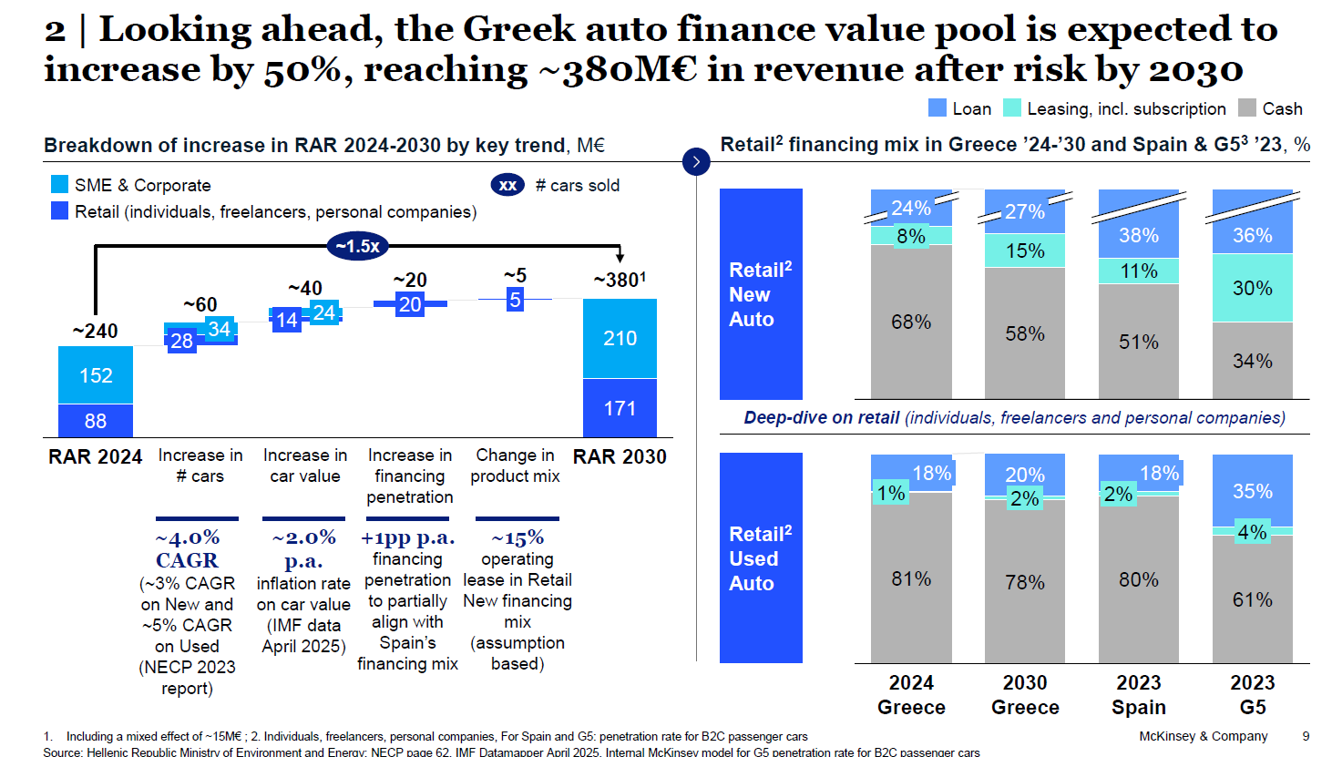
 |  |  |  |  |  |  |  | 2024 | 2025 | 2026 | 2027 | 2028 |  | 2024
 |  |  |  |  |  |  |  |  |  |  |  |  |  | sales | loans | finance penetration
 |  |  |  | Market | New | no. of loans | k# | 25 | 27 | 30 | 32 | 34 | new | 62 | 25 | 40%
 |  |  | 56.7 | Market | Used | no. of loans | k# | 21 | 23 | 26 | 28 | 30 | used | 135 | 21 | 16%
 |  |  |  |  |  |  |  |  |  |  |  |  | total | 197 | 46 | 23%
 |  |  |  | Market | New | disb. Amount | €M | 370 | 420 | 470 | 520 | 570
 |  |  |  | Market | Used | disb. Amount | €M | 200 | 228 | 257 | 285 | 313
 |  |  |  |  |  |  |  | 2024 | 2025 | 2026 | 2027 | 2028
 |  |  |  | Market | New | cars sales | k# | 61 | 66 | 71 | 74 | 77
 |  |  |  | Market | Used | cars sales | k# | 135 | 135 | 144 | 147 | 150

 |  |  |  | Market | New | cars sales | €M | 918 | 1,010 | 1,086 | 1,132 | 1,178
 |  |  |  | Market | Used | cars sales | €M | 1,150 | 1,173 | 1,248 | 1,274 | 1,301

 |  |  |  | Market | New | annual growth |  |  | 10% | 8% | 4% | 4%
 |  |  |  | Market | Used | annual growth |  |  | 2% | 6% | 2% | 2%
 |  |  |  | Market | total | annual growth |  |  | 6% | 7% | 3% | 3%
 |  |  |  | Market | New | finance penetration |  | 40% | 42% | 43% | 46% | 48%
 |  |  |  | Market | Used | finance penetration |  | 17% | 19% | 21% | 22% | 24%

Sales (€M)=Loan penetrationAuto loans (€M)​ |  |  |  |  |  |  |  |  | 10% | 8% | 4% | 4%
+2% p.a.increse on car prices |  |  |  |  |  |  |  |  | 2% | 6% | 2% | 2%
new: 40% (2024) → 41% (2025) → 42% (2026) → 43% (2027) → 44% (2028)
used: 16% (2024) → 17% (2025) → 18% (2026) → 19% (2027) → 20% (2028)
 |  |  |  |  |  |  |  |  | 201
Έτος | New Sales k# | Used Sales k# |  |  |  |  |  |  | 0.67219359175
2024 | 61 | 135
2025 | 27/41% = 66 | 23/17% = 135
2026 | 30/42% = 71 | 26/18% = 144
2027 | 32/43% = 74 | 28/19% = 147
2028 | 34/44% = 77 | 30/20% = 150

